Model
CarboChlorCon 1.0 - software for concrete carbonation and chloride ingress

Authors | Doc. Ing. Vít Šmilauer, Ph.D., Ing. Karel Pohl, Ph.D.
Czech Technical University in Prague, Faculty of Civil Engineering, Department of Mechanics, Thákurova 7, 166 29, Prague 6, 2014
Questions, comments to vit.smilauer@fsv.cvut.cz, November 2014
Acompanying manual describes references, used equations and default values

The support from Competence Centres of the Technology Agency of the Czech Republic (TACR) under the project “Centre for Effective and Sustainable Transport Infrastructure” TE01020168 is greatly acknowledged

Concrete carbonation - induction time
Cp = | 400 | Portland cement content (=mass of CEM I, only clinker portion for CEM II and higher) [kg/m3]
Pp = | 50 | SCM amount (GGBFS, fly ash, silica fume) [kg/m3]
W = | 202.5 | Water in fresh concrete [kg/m3]
kp = | 0.5 | Efficiency factor (k-value) for carbonation. GGBFS=0.6, fly ash class C=0.7, fly ash class F=0.5, silica fume=0.3
RH = | 0.6 | Relative humidity of air [0.5-1]
rc = | 3150 | Cement density [kg/m3]
CO2 = | 3.90E-04 | Volumetric fraction of CO2 in surrounding environment (3.9e-4 for outdoor air) [-]
cc = | 45 | Concrete cover above reinforcement [mm]
wc = | 0.2 | Crack width [mm]

rw = | 1000 | Water density [kg/m3]
DeCO2 = | 1.4923917792E-08 | Effective diffusivity for CO2 [m2/s]
A1 = | 3.5445900461E-07 | Help parameter
tc = | 100.1 | Induction time for reinforcement corrosion on a cracked concrete [year]

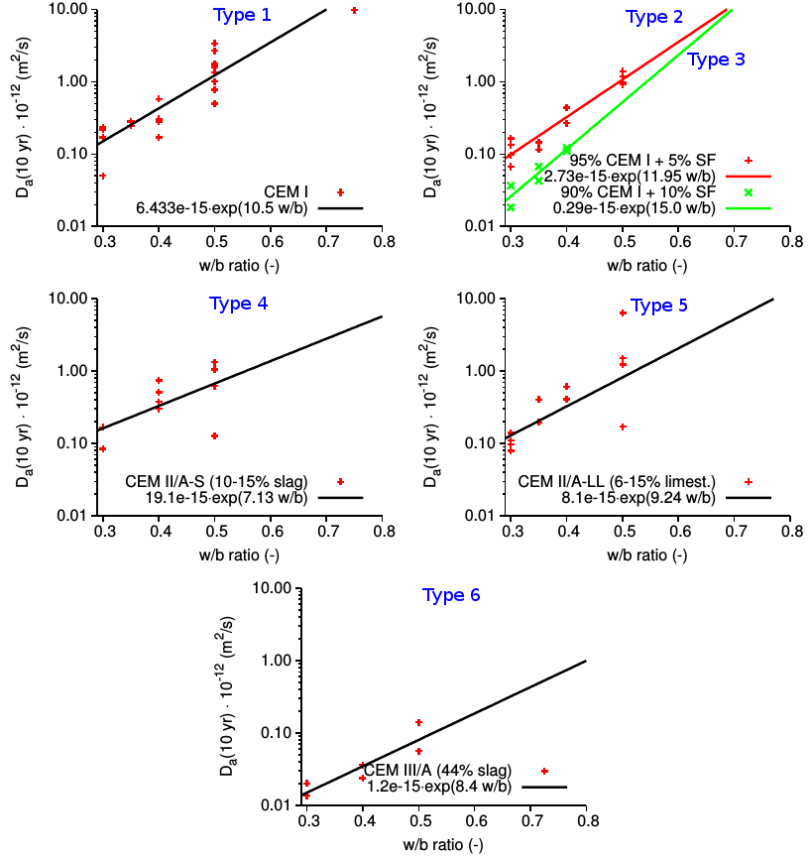
 |  |  |  |  | Apparent diffusivity at 10 years for various cement types
Chloride ingress
Time units | 2 |  |  | [Day=1, year=2] (year = 365,24219 days)
Cement type (0-6) = | 1 | 2 | 1 | See right figures for cement type, type 0 requires manual entry of Dref a tref
w/b = | 0.38 | 0.38 | 0.55 | Water-binder mass ratio, i.e. W/(C+P) [-]
Dref (only for type 0) = | 1.40E-12 |  |  | Reference diffusion coefficient (only type 0) [m2/s]
tref (only for type 0) = | 10 |  |  | Reference time corresponding to Dref (only type 0) [day, year]
m = | 0.6 | 0.4 | 0.3 | Decay rate or age factor (OPC=0.37, OPC+slag=0.60, OPC+fly ash=0.93) [-]
Cs = | 10 | 10 | 10.3 | Concentration chloride mass/binder mass on the surface (submerged=10.3%, spray=1.0%) [%]
wc = | 0.1 | 0 | 0 | Crack width [mm]

Dref = | 1.3909404131E-13 | 1.5361907288E-13 | 1.450648604E-12 | Reference diffusivity for cement types 1-6 [m2/s]
tR = | 946707756 | 946707756 | 946707756 | Time when diffusion becomes constant [30 years in second]
fw = | 1.8391 | 1 | 1 | Acceleration due to crack

a) Determination of induction time
Cs, limit = | 1 | 1 | 1.85 | Limit concentration for reinforcement corrosion (standard 0.6%)[%]
cc = | 40 | 40 | 100 | Concrete cover above reinforcement [mm]

tref = | 315569252 | 315569252 | 315569252 | Reference time [s]
DmFwT = | 0.00016077929834 | 0.00029568920757 | 0.0027764906917 | inverseERF = SQRT(GAMMAINV(x,0.5,1))
Induction time,1 = | 819996438.47 | 2742665559.5 | 2489705894.2 | If smaller than tR[s]
Induction time,2 = | 814510384.46 | 2355886345 | 2255424347.6 | If greater than tR[s]
Induction time = | 819996438.47 | 2355886345 | 2255424347.6 | [s]

Induction time = | 26.0 | 74.7 | 71.5 | [Day, year]

b) Concentration profile
Exposure time, t = | 1 | 75 | 71.5 | [day, year]
Maximum depth, d = | 40 | 40 | 100 | Maximum depth from surface [mm]

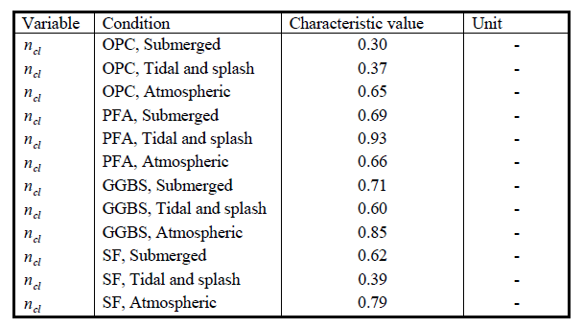
Exposure time t = | 31556925 | 2366769391 | 2256320153 | Exposure time [s] | Decay rate m according to DuraCrete model
Dm(t) = | 1.3843583807E-12 | 1.2538886746E-13 | 1.2309535584E-12 | Mean diffusion coefficient at time t [m2/s]
C(d,t)= | 0.0160213181 | 1.0061795036 | 1.8507552328 | Concentration at depth d at time t [%]

Chloride profile in exposed concrete
 | Column B |  | Column C |  | Column D
0 | 10 | 0 | 10 | 0 | 10.3
0.8 | 9.4967861864 | 0.8 | 9.7380432792 | 2 | 10.079494732
1.6 | 8.9955719839 | 1.6 | 9.4763688458 | 4 | 9.8591481815
2.4 | 8.4983331974 | 2.4 | 9.215258075 | 6 | 9.6391187227
3.2 | 8.0069984924 | 3.2 | 8.9549905222 | 8 | 9.4195640464
4 | 7.5234269918 | 4 | 8.6958430264 | 10 | 9.2006408202
4.8 | 7.0493872269 | 4.8 | 8.4380888237 | 12 | 8.9825043536
5.6 | 6.5865378769 | 5.6 | 8.1819966908 | 14 | 8.7653082656
6.4 | 6.1364105753 | 6.4 | 7.9278300977 | 16 | 8.5492041655
7.2 | 5.7003951202 | 7.2 | 7.6758464 | 18 | 8.3343413297
8 | 5.2797273835 | 8 | 7.4262960593 | 20 | 8.1208663965
8.8 | 4.8754798844 | 8.8 | 7.179421901 | 22 | 7.9089230654
9.6 | 4.4885553451 | 9.6 | 6.9354583868 | 24 | 7.6986518081
10.4 | 4.1196829675 | 10.4 | 6.6946310243 | 26 | 7.4901895916
11.2 | 3.7694180365 | 11.2 | 6.4571556712 | 28 | 7.2836695965
12 | 3.4381435239 | 12 | 6.223238017 | 30 | 7.0792210112
12.8 | 3.1260773205 | 12.8 | 5.9930730603 | 32 | 6.8769687363
13.6 | 2.8332686918 | 13.6 | 5.7668446502 | 34 | 6.6770331932
14.4 | 2.5596232885 | 14.4 | 5.5447250297 | 36 | 6.479530108
15.2 | 2.3049036673 | 15.2 | 5.3268746501 | 38 | 6.2845703187
16 | 2.0687429871 | 16 | 5.1134416763 | 40 | 6.0922595994
16.8 | 1.85065869 | 16.8 | 4.9045618711 | 42 | 5.9026984999
17.6 | 1.6500680823 | 17.6 | 4.7003583935 | 44 | 5.7159821504
18.4 | 1.4663004144 | 18.4 | 4.5009416816 | 46 | 5.5322003117
19.2 | 1.2986140762 | 19.2 | 4.3064093108 | 48 | 5.3514370404
20 | 1.1462098113 | 20 | 4.1168462502 | 50 | 5.1737707324
20.8 | 1.0082452961 | 20.8 | 3.9323245757 | 52 | 4.9992740208
21.6 | 0.88384854851 | 21.6 | 3.7529037691 | 54 | 4.8280137213
22.4 | 0.77213124475 | 22.4 | 3.5786308277 | 56 | 4.6600507955
23.2 | 0.67219956204 | 23.2 | 3.4095404665 | 58 | 4.4954403316
24 | 0.58316528472 | 24 | 3.2456553679 | 60 | 4.3342314289
24.8 | 0.50415544076 | 24.8 | 3.0869892668 | 62 | 4.1764675983
25.6 | 0.43431984949 | 25.6 | 2.9335353638 | 64 | 4.0221862821
26.4 | 0.3728386299 | 26.4 | 2.7852858045 | 66 | 3.8714192062
27.2 | 0.31892734192 | 27.2 | 2.6422183832 | 68 | 3.7241923734
28 | 0.27184182945 | 28 | 2.5043012253 | 70 | 3.58052614
28.8 | 0.2308813022 | 28.8 | 2.3714911503 | 72 | 3.4404353073
29.6 | 0.19539055638 | 29.6 | 2.2437373777 | 74 | 3.3039290984
30.4 | 0.16476138851 | 30.4 | 2.1209793933 | 76 | 3.1710147084
31.2 | 0.13843290074 | 31.2 | 2.003149777 | 78 | 3.0416844911
32 | 0.11589113515 | 32 | 1.8901721345 | 80 | 2.9159356731
32.8 | 0.096668166585 | 32.8 | 1.7819634054 | 82 | 2.7937570692
33.6 | 0.080340511751 | 33.6 | 1.6784336576 | 84 | 2.6751327505
34.4 | 0.066527194405 | 34.4 | 1.5794878932 | 86 | 2.5600422136
35.2 | 0.05488746522 | 35.2 | 1.4850247844 | 88 | 2.4484605578
36 | 0.045118268409 | 36 | 1.3949381588 | 90 | 2.3403581652
36.8 | 0.036951589569 | 36.8 | 1.309118325 | 92 | 2.2357028904
37.6 | 0.030151683475 | 37.6 | 1.2274508483 | 94 | 2.1344572789
38.4 | 0.024512305923 | 38.4 | 1.149818969 | 96 | 2.0365803447
39.2 | 0.019853975998 | 39.2 | 1.0761024159 | 98 | 1.9420288575
...

